Cover page (1)
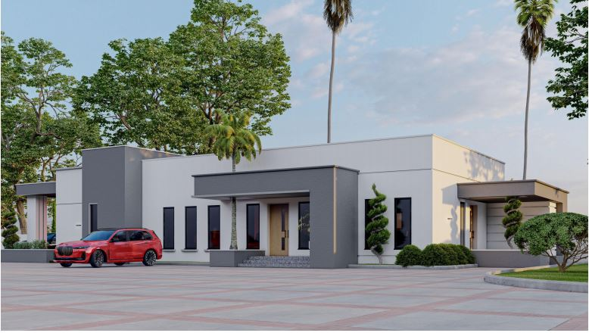
MAIN BUILDING (6 BEDROOM DUPLEX)

